Sheet1
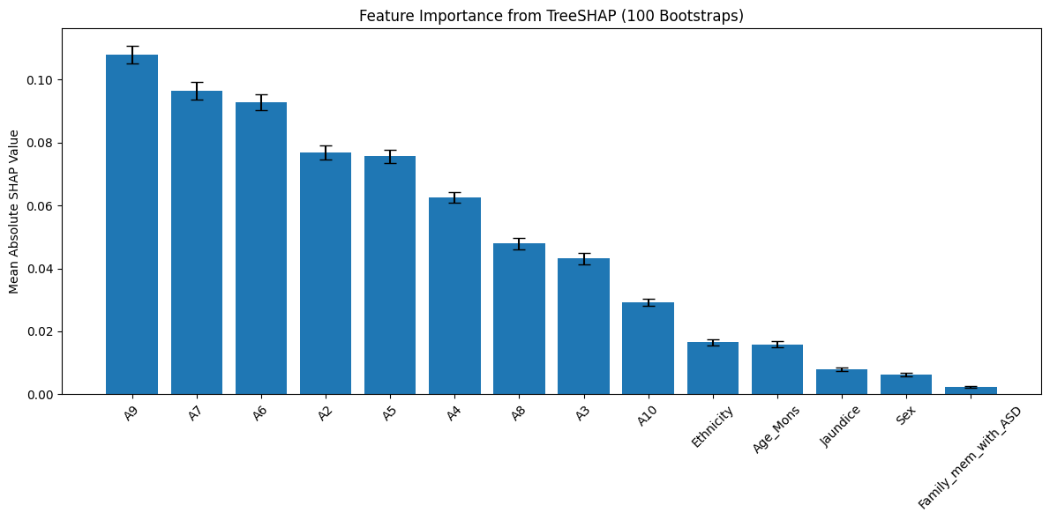
SHAP Importance Summary (Top 14 Features)-Autism Toddler
Features | Mean SHAP | Std SHAP | Rank
A9 | 0.108017 | 0.002738 | 1
A7 | 0.096542 | 0.002853 | 2
A6 | 0.092859 | 0.002586 | 3
A2 | 0.076752 | 0.002241 | 4
A5 | 0.075606 | 0.002058 | 5
A4 | 0.062658 | 0.001707 | 6
A8 | 0.047857 | 0.001868 | 7
A3 | 0.043096 | 0.001774 | 8
A10 | 0.029293 | 0.001087 | 9
Ethnicity | 0.016474 | 0.000984 | 10
Age_Mons | 0.01587 | 0.001032 | 11
Jaundice | 0.007894 | 0.000545 | 12
Sex | 0.006206 | 0.000488 | 13
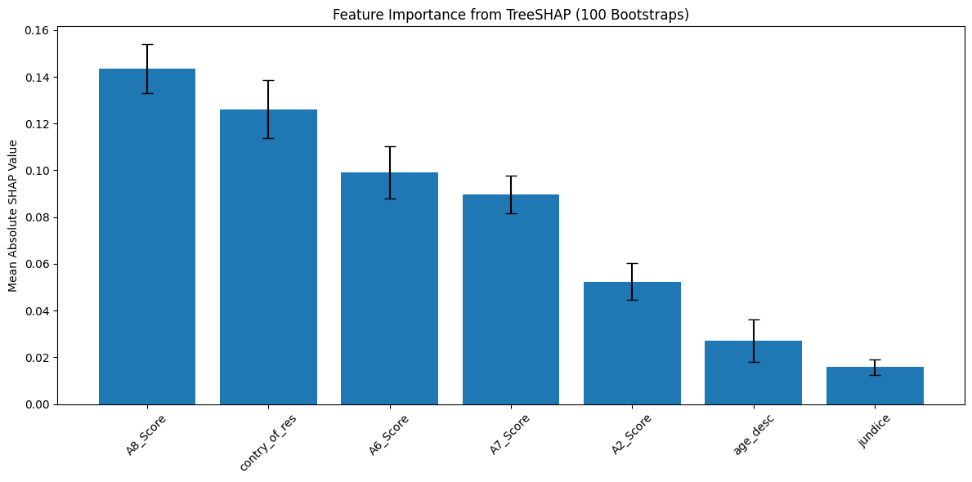
Family_mem_with_ASD | 0.002309 | 0.000284 | 14

SHAP Importance Summary (Top 7 Features)-Autism Adolescent
Features | Mean SHAP | Std SHAP | Rank
A8_Score | 0.143379 | 0.010488 | 1
contry_of_res | 0.126124 | 0.012341 | 2
A6_Score | 0.09913 | 0.011181 | 3
A7_Score | 0.089657 | 0.008137 | 4
A2_Score | 0.052367 | 0.007816 | 5
age_desc | 0.027044 | 0.008999 | 6
jundice | 0.015839 | 0.003347 | 7

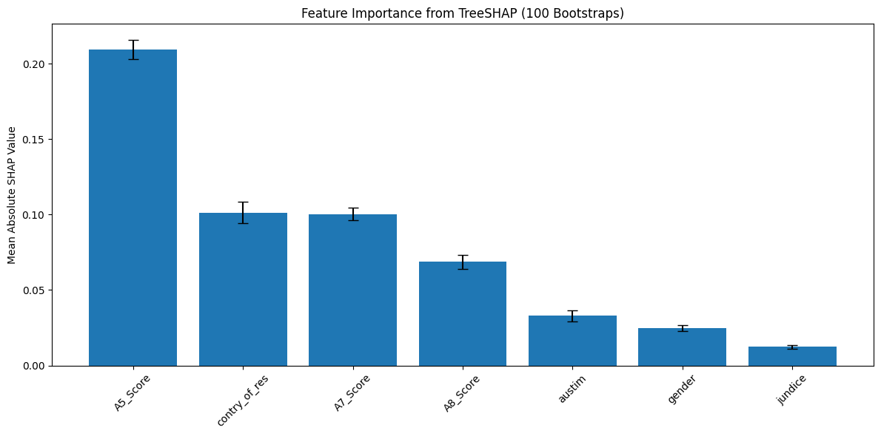
SHAP Importance Summary (Top 7 Features)-Autism Adult
Features | Mean SHAP | Std SHAP | Rank
A5_Score | 0.209487 | 0.006213 | 1
contry_of_res | 0.101326 | 0.007231 | 2
A7_Score | 0.100314 | 0.004161 | 3
A8_Score | 0.06871 | 0.004661 | 4
austim | 0.032872 | 0.003644 | 5
gender | 0.024695 | 0.001923 | 6
jundice | 0.012313 | 0.001212 | 7

